0
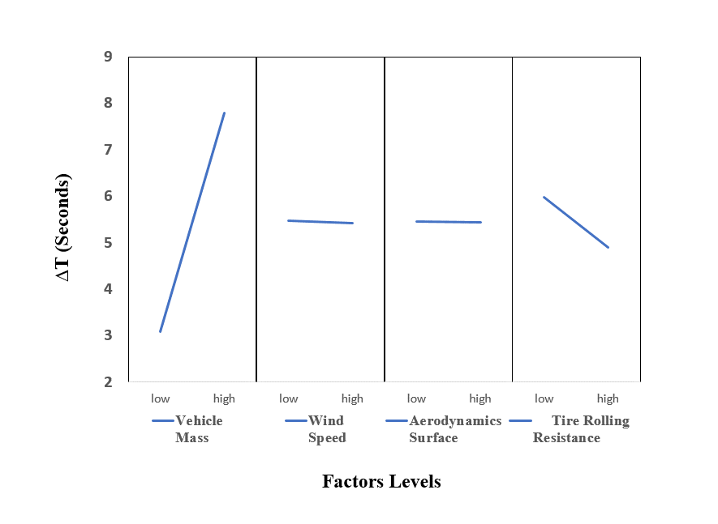
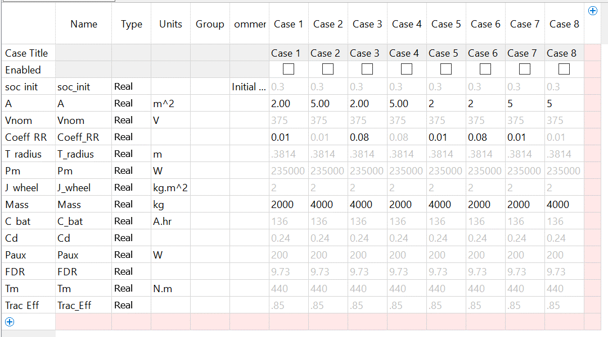
mass | res | air surf | wind_speed | RunSeq | dt | mass high | mass low | res high | res low | air high | air low | wind high | wind high
2000 | 0.01 | 2 | 0 | 1 | 3.26 | 31.18 | 12.36 | 19.6 | 23.94 | 21.74 | 21.8 | 21.66 | 21.88 | values sum
5000 | 0.01 | 2 | 45 | 2 | 8.74 | 7.795 | 3.09 | 4.9 | 5.985 | 5.435 | 5.45 | 5.415 | 5.47 | values avg
2000 | 0.08 | 2 | 45 | 3 | 2.89
5000 | 0.08 | 2 | 0 | 4 | 6.91
2000 | 0.01 | 5 | 45 | 5 | 3.33
5000 | 0.01 | 5 | 0 | 6 | 8.61
2000 | 0.08 | 5 | 0 | 7 | 2.88
5000 | 0.08 | 5 | 45 | 8 | 6.92

